Wheels
 |  |  | S = Standard Equipment A = Available -- (dashes) = Not Available D = ADI Available ■ = Included in Equipment Group □ = Included in Equipment Group but upgradeable * = Indicates availability of feature on multiple models.
Orderable RPO Code | Ref. Only RPO Code | Wheels | Description | LT 1LB56 AWD 2LT | Z71 1LC56 AWD 2Z7 | RS 1LD56 AWD 2RS
 | PXW | 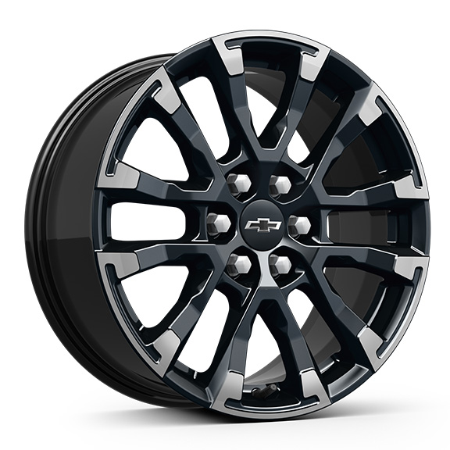 | Wheels, 18" (45.7 cm) High Gloss Black painted machined-face aluminum | -- | S | --
Q9P |  | 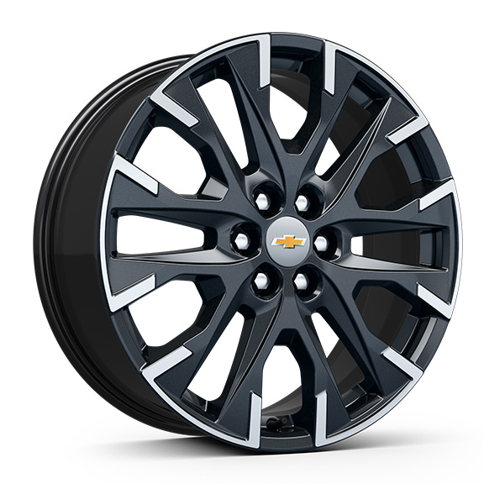 | Wheels, 20" (50.8 cm) Carbon Flash Metallic machined-face aluminum 1. Included and only available with (BAQ) Sun and Wheel Package Requires (Q3N) 255/55R20 all-season blackwall tires. Not available with (WJU) Midnight Edition. | A1 | -- | --
 | RUH | 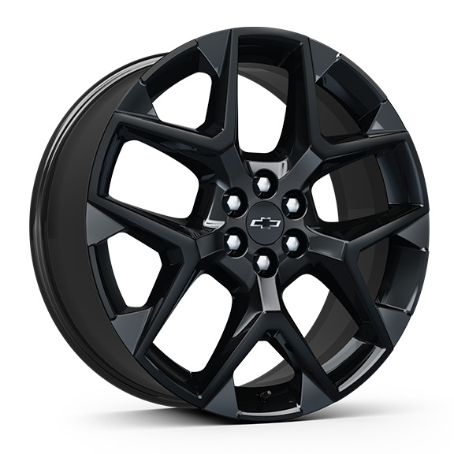 | Wheels, 22" (55.9 cm) High Gloss Black painted aluminum | -- | -- | S
 | SGE | 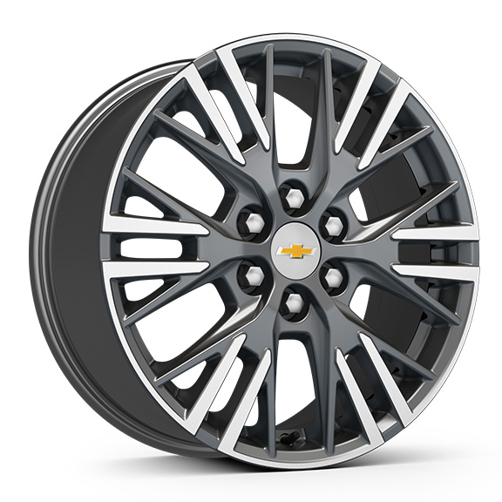 | Wheels, 18" (45.7 cm) Grazen Metallic machined-face aluminum | S | -- | --
 | SLV | 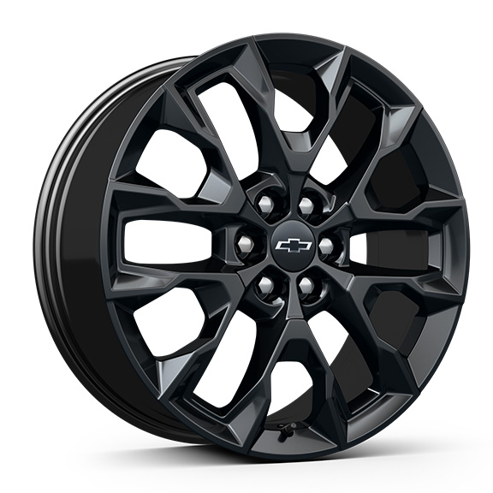 | Wheels, 20" (50.8 cm) High Gloss Black painted aluminum 1. Included and only available with (WJU) Midnight Edition. | A1 | -- | --
SAK |  | 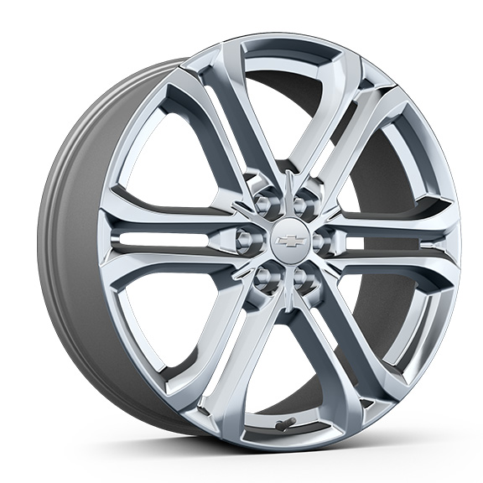 | NEW! LPO, 22" (55.9 cm) Bright aluminum wheels, includes (SFE) Bright wheel locks, LPO. 1. Includes factory installed lug nuts. Not available with (SAY) 22" high gloss Black aluminum wheels, LPO. | A1 | -- | --
SAY |  | 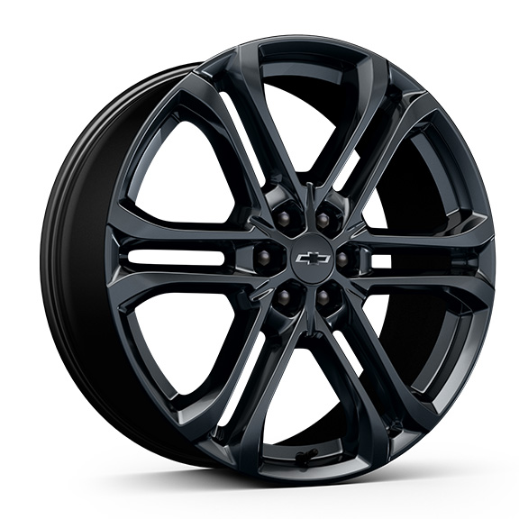 | LPO, 22" (55.9 cm) high gloss Black aluminum wheels, includes (SPZ) Black lug nut and wheel lock kit, LPO. 1. Not available with (SAK) 22" Bright aluminum wheels, LPO. | A1 | -- | --

